Bib-BR-1
Conditions:
The application Biblioteka is available
Bug report ID: | Bib-BR-1 | Status: | Severity | Priority
Bug report name: | Inappropriate message when TextField "ID Knjige" is empty | To do | Low | Medior
Steps to reproduce: | Action: | Expected result: | Actuali result:
0 (Setup) | Start application;
1 | Input valid information in TextField "ID Clana" | Imputed information is entered in appropriate TextField | Imputed information is entered in appropriate TextField
2 | Make TextField "ID Knjige" empty | TextField "ID Knjige" is empty | TextField "ID Knjige" is empty
3 | Click a button "Uzmi knjigu" | The book is not rented and a proper messge is shown | The book is not rented and inppropriate messge is shown
4 | Click a button "Vrati knjigu" | The book is not returned and a proper messge is shown | The book is not rented and inppropriate messge is shown

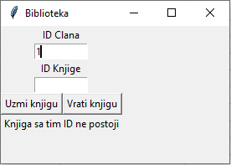
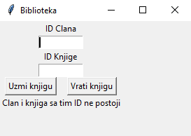
Related test case ID: | Bib-TS2-NTC7, Bib-TS3-NTC8, Bib-TS4-NTC7, Bib-TS2-NTC9, Bib-TS3-NTC10, Bib-TS4-NTC9, Bib-BR-2
Created by: | Damjan Stevanović
Created date: | 24.12.2022.
OS: | Windows 10 Home Single Language, 64-bit
Last update by: | Damjan Stevanović
Last update date: | 24.12.2022.
Description:

Bib-BR-2
Conditions:
The application Biblioteka is available
Bug report ID: | Bib-BR-2 | Status: | Severity | Priority
Bug report name: | Inappropriate message when TextField "ID Clana" is empty | To do | Low | Medior
Steps to reproduce: | Action: | Expected result: | Actuali result:
0 (Setup) | Start application;
1 | Make TextField "ID Clana" empty | TextField "ID Clana" is empty | TextField "ID Clana" is empty
2 | Input valid information in TextField "ID Knjige" | Imputed information is entered in appropriate TextField | Imputed information is entered in appropriate TextField
3 | Click a button "Uzmi knjigu" | The book is not rented and a proper messge is shown | The book is not rented and inppropriate messge is shown
4 | Click a button "Vrati knjigu" | The book is not returned and a proper messge is shown | The book is not rented and inppropriate messge is shown

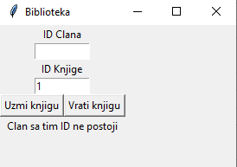
Related test case ID: | Bib-TS2-NTC8, Bib-TS3-NTC9, Bib-TS4-NTC8, Bib-TS2-NTC9, Bib-TS3-NTC10, Bib-TS4-NTC9, Bib-BR-1
Created by: | Damjan Stevanović
Created date: | 24.12.2022.
OS: | Windows 10 Home Single Language, 64-bit
Last update by: | Damjan Stevanović
Last update date: | 24.12.2022.
Description:

Bib-BR-4
Conditions:
The application Biblioteka is available
Bug report ID: | Bib-BR-4 | Status: | Severity | Priority
Bug report name: | There is no border value on the number of rented books for a primary client | To do | High | Urgent
Steps to reproduce: | Action: | Expected result: | Actuali result:
0 (Setup) | Start application; Rent three books by primary client
1 | Input valid information of the set primary client in TextField "ID Clana" | Imputed value is entered in appropriate TextField | Imputed value is entered in appropriate TextField
2 | Input valid information in TextField "ID Knjige" | Imputed value is entered in appropriate TextField | Imputed information is entered in appropriate TextField
3 | Click a button "Uzmi knjigu" | The book is not rented and a proper message is shown | The book is rented

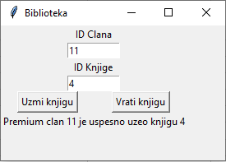
Related test case ID: | Bib-TS3-BVTC3
Created by: | Damjan Stevanović
Created date: | 24.12.2022.
OS: | Windows 10 Home Single Language, 64-bit
Last update by: | Damjan Stevanović
Last update date: | 24.12.2022.
Description:

